Rakhine Expenditure Analysis
Mercy Corps PDM Expenditure Data Analysis

Monthly Expenditure
Geographic Scope | Sittwe, Mrauk-U, Rathedaung, Pauktaw, Minbya, Ponnagyn
Sample Size | 893 HH
Sector | Monthly Expenditure | Percent
Food | K145,454 | 43.70%
Energy | K18,308 | 5.50%
Rent/Shelter | K17,542 | 5.27%
Transport | K13,379 | 4.02%
Education | K16,747 | 5.03%
Health | K36,990 | 11.11%
WASH | K12,466 | 3.75%
Consumer Goods | K18,660 | 5.61%
Debt Repayment | K16,210 | 4.87%
Telecommunications | K10,431 | 3.13%
Other | K26,651 | 8.01%
Total | K332,839

Expenditure Patterns of HHs with No Coping Strategies in past 7 days
Sample Size | 304
Sector | Monthly Expenditure
Food | K144,544
Energy | K14,330
Rent/Shelter | K9,634
Transport | K11,787
Education | K14,705
Health | K29,349
WASH | K10,496
Consumer Goods | K14,403
Debt Repayment | K12,863
Telecommunications | K9,073
Other | K39,590
Total | K310,776

Geographic Scope | Sittwe Overall
Sample Size | 282 |  |  |  | Geographic Scope | Sittwe Overall | Geographic Scope | Sittwe Overall
Sector | Monthly HH Expenditure in MMK |  | Food Security Sittwe |  | Engaged Negative Coping Strategies |  | Did Not Engaged Negative Coping Strategies
Food | K135,752 |  | 113 | Had no negative food security indicators within the past 7 days | Sector | Monthly HH Expenditure in MMK | Sector | Monthly HH Expenditure in MMK
Energy | K15,025 |  | 40.07% | Had no negative food security indicators within the past 7 days | Food | K150,664 | Food | K120,410
Rent/Shelter | K17,005 |  |  |  | Energy | K14,356 | Energy | K15,712
Transport | K12,959 |  | Negative Coping Strategies Sittwe |  | Rent/Shelter | K18,006 | Rent/Shelter | K15,973
Education | K15,892 |  | 139 | Had no negative coping strategies within the last six months | Transport | K11,458 | Transport | K14,503
Health | K46,773 |  | 49.29% | Had no negative coping strategies within the last six months | Education | K16,104 | Education | K15,672
WASH | K11,883 |  |  |  | Health | K51,727 | Health | K41,676
Sittwe Overall
Consumer Goods | K15,867 |  |  |  | WASH | K11,139 | WASH | K12,647
Debt Repayment | K19,770 |  |  |  | Consumer Goods | K13,395 | Consumer Goods | K18,410
Telecommunications | K11,058 |  |  |  | Debt Repayment | K19,321 | Debt Repayment | K20,230
Other | K20,089 |  |  |  | Telecommunications | K11,576 | Telecommunications | K10,525
Total | K322,354 |  |  |  | Other | K6,531 | Other | K34,035
 |  |  |  |  | Total | K324,277 | Total | K319,793
Sample | Sittwe Displaced
Sample size | 232
Sector | Monthly HH Expenditure in MMK
Food | K145,931
Energy | K14,874
Rent/Shelter | K20,303
Transport | K12,604
Education | K16,595
Health | K47,515
WASH | K9,818
Consumer Goods | K17,539
Debt Repayment | K23,442 |  | K28,444
Telecommunications | K12,253
Other | K10,905
Total | K332,011

Minbya
Geographic Scope | Minbya
Sample Size | 131
Sector | Monthly HH Expenditure in MMK |  | Food Security Minbya
Food | K163,038 |  | 101 | Had no negative food security indicators within the past 7 days
Energy | K16,290 |  | 77.10% | Had no negative food security indicators within the past 7 days
Rent/Shelter | K13,901
Transport | K13,771 |  | Negative Coping Strategies Minbya
Education | K17,160 |  | 103 | Had no negative coping strategies within the last six months
Health | K27,267 |  | 78.63% | Had no negative coping strategies within the last six months
WASH | K12,111
Consumer Goods | K15,481
Debt Repayment | K14,137
Telecommunications | K9,351
Other | K80,244
Total | K382,883

Mrauk-U
Geographic Scope | Mrauk-U
Sample Size | 131
Sector | Monthly HH Expenditure in MMK |  | Food Security Mrauk-U
Food | K123,397 |  | 1 | Had no negative food security indicators within the past 7 days
Energy | K31,347 |  | 0.76% | Had no negative food security indicators within the past 7 days
Rent/Shelter | K55,893
Transport | K30,664 |  | Negative Coping Strategies Mrauk-U
Education | K26,099 |  | 0 | Had no negative coping strategies within the last six months
Health | K68,710 |  | 0.00% | Had no negative coping strategies within the last six months
WASH | K28,779
Consumer Goods | K44,901
Debt Repayment | K21,527
Telecommunications | K14,985
Other | K37,298
Total | K483,730

Pauktaw
Geographic Scope | Pauktaw
Sample Size | 90
Sector | Monthly HH Expenditure in MMK |  | Food Security Pauktaw
Food | K179,667 |  | 40 | Had no negative food security indicators within the past 7 days
Energy | K23,533 |  | 44.44% | Had no negative food security indicators within the past 7 days
Rent/Shelter | K6,267
Transport | K9,678 |  | Negative Coping Strategies Pauktaw
Education | K22,544 |  | 41 | Had no negative coping strategies within the last six months
Health | K10,722 |  | 45.56% | Had no negative coping strategies within the last six months
WASH | K4,856
Consumer Goods | K7,800
Debt Repayment | K10,779
Telecommunications | K12,000
Other | K4,733
Total | K292,669

Ponnagyun
Geographic Scope | Ponnagyun
Sample Size | 62
Sector | Monthly HH Expenditure in MMK |  | Food Security Ponnagyun
Food | K137,903 |  | 41 | Had no negative food security indicators within the past 7 days
Energy | K12,202 |  | 66.13% | Had no negative food security indicators within the past 7 days
Rent/Shelter | K323
Transport | K323 |  | Negative Coping Strategies Ponnagyun
Education | K4,290 |  | 29 | Had no negative coping strategies within the last six months
Health | K17,911 |  | 46.77% | Had no negative coping strategies within the last six months
WASH | K8,629
Consumer Goods | K145
Debt Repayment | K3,374
Telecommunications | K9,790
Other | K0
Total | K194,952

Geographic Scope | Rathedaung
Sample Size | 196
Sector | Monthly HH Expenditure in MMK
Food | K149,311
Energy | K15,087
Rent/Shelter | K5,832
Transport | K8,036
Education | K12,816
Health | K26,066
WASH | K7,413
Consumer Goods | K17,949
Debt Repayment | K14,791
Telecommunications | K6,690
Other | K11,786
Total | K275,973

Gap Analysis
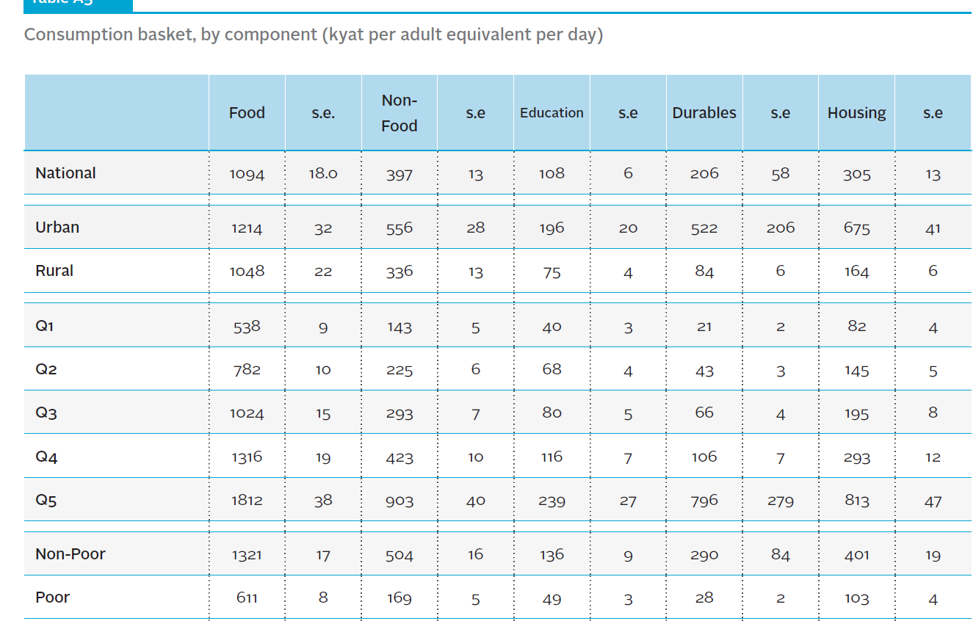
Sample Gap Analysis
 | 2015 | 2015 | 2017 | 2017 | 2017 | 2017
 | MMK per adult equivalent | Percentage | MMK per adult equivalent | Percentage | MLCS National Poverty Line per adult equivelent | Gap between National Poverty Line and 1st wealth quintile
Wealth Quintile 1 (Q1) | Q1 | Q1 | Q1 | Q1
Consumption expenditure (mean) | 854 | 100% | 1189 | 100% | 1590 | 25.22%
Food | 538 | 63% | 767 | 65%
NFI | 183 | 21% | 259 | 22%
Durables | 21 | 2% | 42 | 4%
Housing | 82 | 10% | 122 | 10%

2021 MEB Consumption Sectors per MLCS | Consumption Shares Percent | Calculated monthly MEB based on monthly poverty line of 2 adult and 3 child HH | Lowest wealth quintile household expenditure | 25.22% Gap Between lowest wealth quintile and national poverty line
% of Expenditure on Food | 65.22% | MMK 190,555 | MMK 142,497 | MMK 48,058
Non-Food *health not included | 21.30% | MMK 62,226 | MMK 46,533 | MMK 15,694
Housing | 10.06% | MMK 29,400 | MMK 21,986 | MMK 7,415
Durable Goods | 3.42% | MMK 9,990 | MMK 7,471 | MMK 2,520
Heath | 7.60% | MMK 22,205 | MMK 16,605 | MMK 5,600
Total Expenditure |  | MMK 314,377 | MMK 235,090 | MMK 79,286

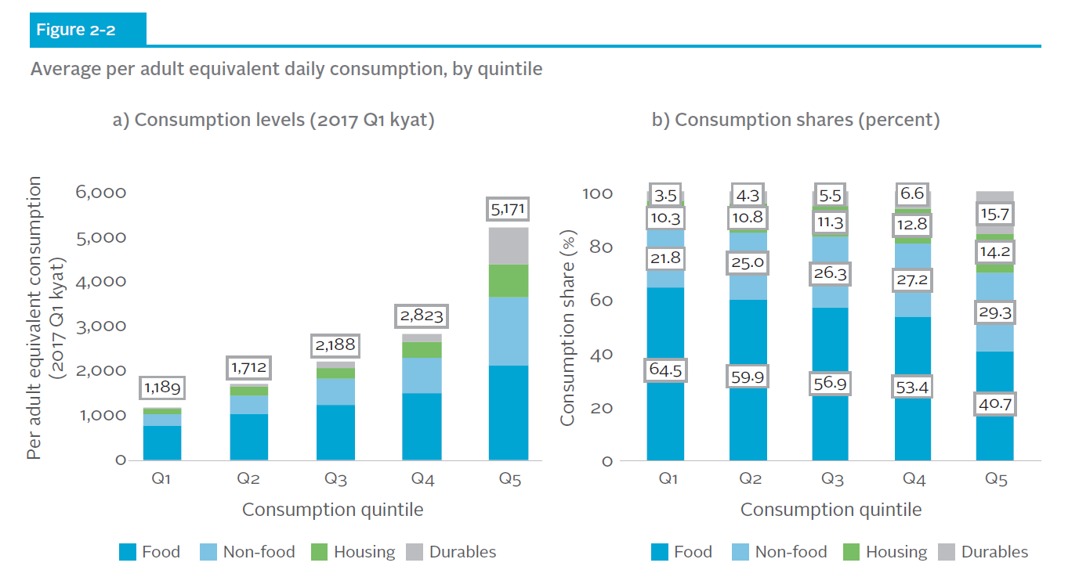

2015

